meta prompt
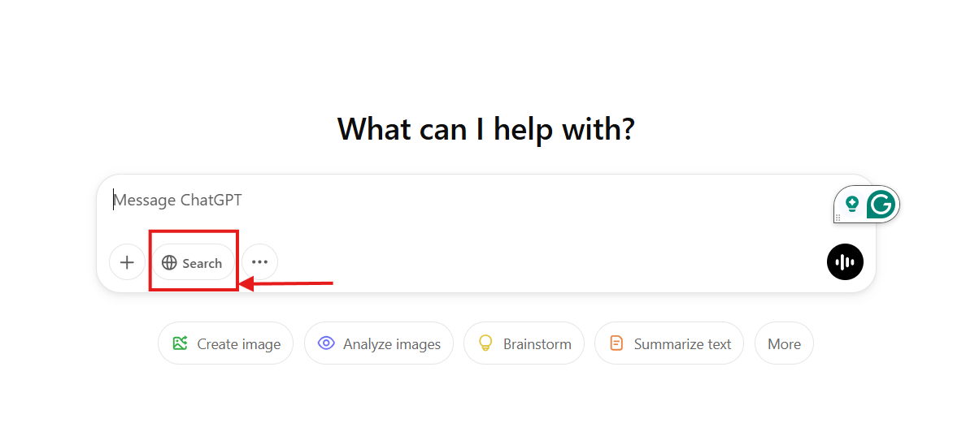
These are the prompts for when you start the new chat.
NOTE: Make sure you click on search before you start

Prompt
I need your help to create the page of meta description for me. Are you an expert of this. If yes, show me what you know about this.

this are not a prompts.
It a step for after chatgpt list the relavant leywords.
Then keyowords to tool for get monthly search volume.
NOTE: Pick up the 2 top highest keywords and then cope bu using this prompt.
Thank you. These are also needed for creating the meta description as well. ◎select target keyword from page title ◎maximize appeal by making sentences with words with monthly search volume ◎group target keyword and place them close each others Remember them for best seo meta description.
Service and Information Page | Product page | Line Up Product Page

# URL: # pick up the page tilte which before | for me. After get the this title, then find the relavent the relevant keywords. | Except for the product page, you do not need to highlight in yellow. | Except for the product page, you do not need to highlight in yellow.

I need only keyword with easy copy list excel format

Copy the keywords and paste them into the search keyword volume tool at https://ads.google.com/

Select only the keywords with high volume and then paste them into ChatGPT to continue. Note : Use below prompt for polish view.
I need only keyword with easy copy list excel format
# Make a table format for easy viewing, focusing only on keywords and monthly search volume >>>copy here

Step 1: Analyze the URL: https://www.switchitmaker2.com/en/seo/what-is-conversions/ # Determine the page Service Page, or Information Page , then mention about the what is main service or information content directly from the page content and use it to craft the meta description.. # For all other types, explicitly mention the page type in the description. Step 2: Use Keywords # Important * Use the above keyword in proving table with the highest search volume for best SEO performance, but if this page content does not involve or relevant with proving table, do not need to use. # make sure the above keyword should be naturally and connect with page content. #Group related keywords closely together for better SEO performance. # Page content should be in the beginning of phase. Step 3: Generate the Meta Description #Begin the sentence with a noun describing the product or page. #Do NOT use these words: “discover,” “explore,” or “best.” #Keep the description concise make it around 180-200 characters focusing on page content (if needed) # Ensure the sentence is natural and engaging while maximizing keyword impact. # Make SURE this meta description includes only the information displayed on this page. # REMEMBER !! Product name is included naturally. | #Analyze the given URL : # determine if the page is a specific product page, product lineup page. # If it is a specific product page, extract the product description directly from front ed nd the page content and use it to craft the meta description. # Ensure the meta description includes: The product name naturally The highest search volume keyword placed early. A concise yet engaging sentence structure (150-160 characters preferred, but up to 200 characters if necessary for clarity). A focus on key product attributes, benefits, and specifications that make the product stand out. A natural flow without keyword stuffing. # Ensure Do NOT include: "discover," "explore," "best" or "idea for" | Step 1: Analyze the URL: https://components.omron.com/us-en/products/relays/power-relays/pcb-power-relays # If the page is a Product Lineup Page, you can use the term 'Lineup' or consider varying the wording with synonyms that have the same meaning, such as Align, Arrange, Queue, Order, Assemble, or Position. # Please focus on the product features and description details without mentioning "Omron" again. Highlight the key attributes, benefits, and specifications that make this product stand out. Step 2: Generate the Meta Description #Do NOT use semicolon #Do NOT use these words: “discover,” “explore,” or “best.” #Do NOT mention ""Omron"" on product pages, but it's allowed for other types of pages if necessary. #"Keep the description concise, around 150-160 characters, focusing on the page content if necessary. # including the character counts for meta description # Ensure the sentence is natural and engaging while maximizing keyword impact. # For the Product Lineup Page, mention the page type as Lineup " on meta on diffence format of each time.

